Hoja1
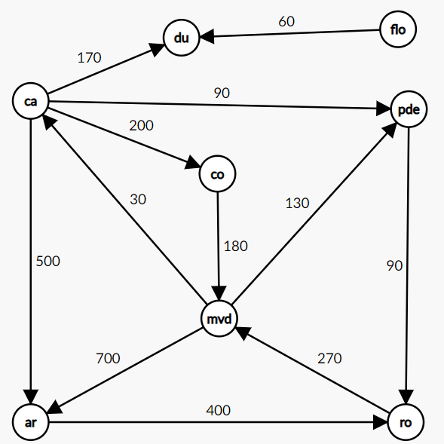
iteracion | S | w | D[ro] | D[ar] | D[co] | D[ca] | D[du] | D[flo] | D[pde]
inicial | mvd | - | inf | 700 | inf | 30 | inf | inf | 130
1 | mvd,ca | ca | inf | 530 | 230 | 30 | 200 | inf | 120
2 | mvd, ca, pde | pde | 210 | 530 | 230 | 30 | 200 | inf | 120
3 | mvd, ca,pde, du | du | 210 | 530 | 230 | 30 | 200 | inf | 120
4 | mvd, ca,pde, du, ro | ro | 210 | 530 | 230 | 30 | 200 | inf | 120
5 | mvd, ca,pde, du, ro, co | co | 210 | 530 | 230 | 30 | 200 | inf | 120
6 | mvd, ca,pde, du, ro, co, ar | ar | 210 | 530 | 230 | 30 | 200 | inf | 120
7 | mvd, ca,pde, du, ro, co, ar, flo | flo | 210 | 530 | 230 | 30 | 200 | inf | 120

 |  | iteracion | P[ro] | P[ar] | P[co] | P[ca] | P[du] | P[flo] | P[pde]
 |  | inicial | mvd | mvd | mvd | mvd | mvd | mvd | mvd
 |  | 1 | mvd | ca | ca | mvd | ca | mvd | ca
 |  | 2 | pde | ca | ca | mvd | ca | mvd | ca
 |  | 3 | pde | ca | ca | mvd | ca | mvd | ca
 |  | 4 | pde | ca | ca | mvd | ca | mvd | ca
 |  | 5 | pde | ca | ca | mvd | ca | mvd | ca
 |  | 6 | pde | ca | ca | mvd | ca | mvd | ca
 |  | 7 | pde | ca | ca | mvd | ca | mvd | ca

